(0) How to use this document
Instructions on how to fill in this document Note: Do not enter any information on this page - instead, use the other tabs of this document

(0) Structure of this document:

This document contains three tabs:

 |  | = this tab | must be filled in | must be filled in

(1) The "Declaration Statement" tab

The "Declaration Statement" tab contains your company and product details plus your legally binding signature. It further contains the following "summary" of what you declared in the "Declaration Details" tab:

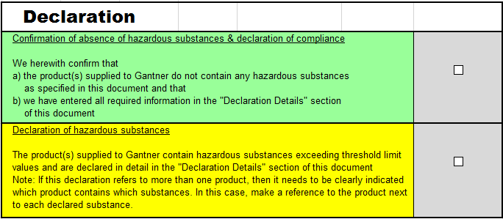
 |  |  |  | <-- tick green box …
1
 |  |  |  | … if you did not have to declare anything in the
 |  |  |  | grey fields of "Decl. Details", nor had to answer with Yes
2
 |  |  |  | … AND if you answered with Yes (if applicable)
3
 |  |  |  | … AND if you answered with No

 |  |  |  | … AND correctly filled in all remaining fields/questions

 |  |  |  | <-- tick yellow box …

 |  |  |  | … in all other cases
1
3
2
 | Please scroll down to see what refer to!

(2) The "Declaration Details" tab

1
 |  |  |  |  | (Hazardous Substances)

2
 |  |  |  |  | (WEEE Directive)

3
 |  |  |  |  | (Radioaktivität)

- Endof Instructions -

